Decision Tree
Decisions
 | Cost(in Million $) per permit | Expected Return
 |  | Price Under Strong economy growth | Price Under Weak economy
Sell the property | 0 | 2.1 | 2.1
Lease back to College | 0 | 2.4 | 2.4
Build Hotel by requesting permit | 0.3 | 3.4 | 1.6
Build Office by requesting Permit | 0.3 | 2.9 | 1.3

Outcomes
 | Probability
Economic growth | 0.6
Economic Decline | 0.4

Sell the property
Permit Approval Probabilities
 | Approval Rate | Reject Rate
Building Hotel | 0.25 | 0.75 |  | #NAME? | #NAME?
Building Office | 0.7 | 0.3 |  | 2.1 | #NAME?
Cal Dev Decision
Selling Property | - | - |  | Decision
Leasing back to college | - | - |  | #NAME?
Economic Growth
 |  |  |  |  |  | 60.0% | #NAME?
Payoffs (In Millions, $) |  |  |  |  |  | 3.4 | #NAME?
Approve
 | City Economic State |  |  |  | 25.0% | Chance
Decision | Economic Growth | Economic Decline |  |  | 0 | #NAME?
Economic Decline
Sell the property | 2.1 | 2.1 |  |  |  | 40.0% | #NAME?
Lease back to College | 2.4 | 2.4 |  |  |  | 1.6 | #NAME?
Request Hotel Permit
Build Hotel by requesting permit | 3.1 | 1.3 |  | #NAME? | Chance
Build Office by requesting Permit | 2.6 | 1 |  | -0.3 | #NAME?
Sell property
 |  |  |  |  |  | #NAME? | #NAME?
 |  |  |  |  |  | 2.1 | #NAME?
Reject
 |  |  |  |  | 75.0% | Decision
 |  |  |  |  | 0 | #NAME?
Lease to college
 |  |  |  |  |  | #NAME? | #NAME?
 |  |  |  |  |  | 2.4 | #NAME?
Economic Growth
 |  |  |  |  |  |  |  | 60.0% | #NAME?
 |  |  |  |  |  |  |  | 2.9 | #NAME?
Approve
 |  |  |  |  |  |  | 70.0% | Chance
 |  |  |  |  |  |  |  | #NAME?
Economic Decline
 |  |  |  |  |  |  |  | 40.0% | #NAME?
 |  |  |  |  |  |  |  | 1.3 | #NAME?
Request Office Permit
 |  |  |  |  |  | #NAME? | Chance
 |  |  |  |  |  | -0.3 | #NAME?
Sell the property
 |  |  |  |  |  |  |  | #NAME? | #NAME?
 |  |  |  |  |  |  |  | 2.1 | #NAME?
Reject
 |  |  |  |  |  |  | 30.0% | Decision
 |  |  |  |  |  |  |  | #NAME?
Lease to college
 |  |  |  |  |  |  |  | #NAME? | #NAME?
 |  |  |  |  |  |  |  | 2.4 | #NAME?
Economic Growth
 |  |  |  |  |  | 60.0% | #NAME?
 |  |  |  |  |  | 2.9 | #NAME?
Approve
 |  |  |  |  | 70.0% | Chance
 |  |  |  |  |  | #NAME?
Economic Decline
 |  |  |  |  |  | 40.0% | #NAME?
 |  |  |  |  |  | 1.3 | #NAME?
Request Office Permit
 |  |  |  | #NAME? | Chance
 |  |  |  | -0.3 | #NAME?
Sell the property
 |  |  |  |  |  | #NAME? | #NAME?
 |  |  |  |  |  | 2.1 | #NAME?
Reject
 |  |  |  |  | 30.0% | Decision
 |  |  |  |  |  | #NAME?
Lease back to college
 |  |  |  |  |  | #NAME? | #NAME?
 |  |  |  |  |  | 2.4 | #NAME?

Optimal Tree
PrecisionTree Policy Suggestion - Optimal Decision Tree
Performed By: ABHI RAM SAI
Date: Monday, February 26, 2024 10:09:21 PM
Model: Decision Tree 'Cal Dev Decision' in [CASE 4_op.xlsx]Decision Tree

Cal Dev Decision
Economic Growth
 | Decision
 | 2.17
 |  |  | 60.0% | 15.0%
 |  |  | 3.4 | 3.1
Approve
 |  | 25.0% | Chance
 |  | 0 | 2.38
Economic Decline
 |  |  | 40.0% | 10.0%
 |  |  | 1.6 | 1.3
Request Hotel Permit
 | TRUE | Chance
 | -0.3 | 2.17
Reject
 |  | 75.0% | Decision
 |  | 0 | 2.1
Lease to college
 |  |  | TRUE | 75.0%
 |  |  | 2.4 | 2.1

Risk Profile
PrecisionTree Risk Profile - Probability Chart
Performed By: ABHI RAM SAI
Date: Monday, February 26, 2024 10:09:43 PM
Model: Decision Tree 'Cal Dev Decision' in [CASE 4_op.xlsx]Decision Tree
Analysis: Choice Comparison for Node 'Decision' (I19)
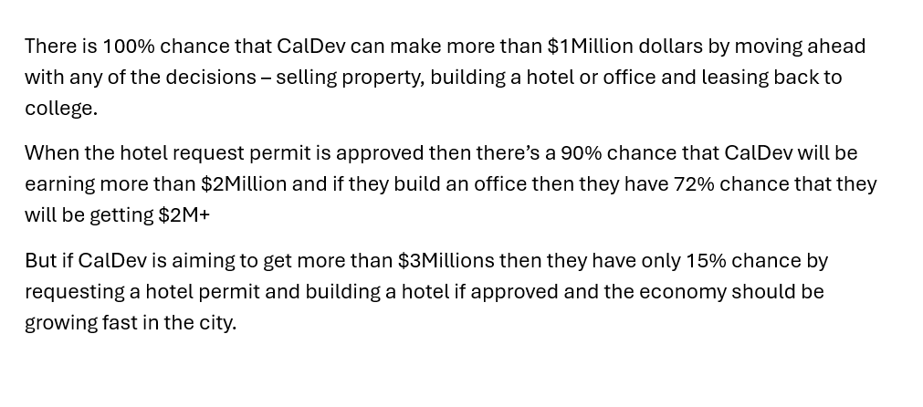
Probabilities for Decision Tree 'Cal Dev Decision' Choice Comparison for Node 'Decision'
 | Sell the property |  | Request Hotel Permit |  | Request Office Permit
2.1 | 100.0000% | 1.3 | 10.0000% | 1 | 28.0000%
 |  | 2.1 | 75.0000% | 2.1 | 30.0000%
 |  | 3.1 | 15.0000% | 2.6 | 42.0000%

Chart Data
 | Sell the property |  | Request Hotel Permit |  | Request Office Permit
 | Value | Probability | Value | Probability | Value | Probability
#1 | 2.1 | 100.0000% | 1.3 | 10.0000% | 1 | 28.0000%
#2 |  |  | 2.1 | 75.0000% | 2.1 | 30.0000%
#3 |  |  | 3.1 | 15.0000% | 2.6 | 42.0000%

Selling price sensitivity
PrecisionTree Sensitivity Analysis - Strategy Region
Performed By: ABHI RAM SAI
Date: Tuesday, February 27, 2024 11:57:34 AM
Output: Decision Tree 'Cal Dev Decision' (Expected Value of Entire Model)
Input: Price Under Strong economy growth (C4)

Strategy Region of Decision Tree 'Cal Dev Decision' Expected Value of Node 'Decision' (I19) With Variation of Price Under Strong economy growth (C4)

Strategy Region Data
 | Input |  | Sell the property |  | Request Hotel Permit |  | Request Office Permit
 | Value | Change (%) | Value | Change (%) | Value | Change (%) | Value | Change (%)
#1 | 1 | -52.38% | 1 | -53.92% | 2.17 | 0.00% | 2.002 | -7.74%
#2 | 1.3 | -38.10% | 1.3 | -40.09% | 2.17 | 0.00% | 2.002 | -7.74%
#3 | 1.6 | -23.81% | 1.6 | -26.27% | 2.17 | 0.00% | 2.002 | -7.74%
#4 | 1.9 | -9.52% | 1.9 | -12.44% | 2.17 | 0.00% | 2.002 | -7.74%
#5 | 2.2 | 4.76% | 2.2 | 1.38% | 2.17 | 0.00% | 2.002 | -7.74%
#6 | 2.5 | 19.05% | 2.5 | 15.21% | 2.245 | 3.46% | 2.032 | -6.36%
#7 | 2.8 | 33.33% | 2.8 | 29.03% | 2.47 | 13.82% | 2.122 | -2.21%
#8 | 3.1 | 47.62% | 3.1 | 42.86% | 2.695 | 24.19% | 2.212 | 1.94%
#9 | 3.4 | 61.90% | 3.4 | 56.68% | 2.92 | 34.56% | 2.302 | 6.08%
#10 | 3.7 | 76.19% | 3.7 | 70.51% | 3.145 | 44.93% | 2.392 | 10.23%
#11 | 4 | 90.48% | 4 | 84.33% | 3.37 | 55.30% | 2.482 | 14.38%

Hotel permit sensitivity
PrecisionTree Sensitivity Analysis - Strategy Region
Performed By: ABHI RAM SAI
Date: Tuesday, February 27, 2024 11:57:35 AM
Output: Decision Tree 'Cal Dev Decision' (Expected Value of Entire Model)
Input: Building Hotel (B16)

Strategy Region of Decision Tree 'Cal Dev Decision' Expected Value of Node 'Decision' (I19) With Variation of Building Hotel (B16)

Strategy Region Data
 | Input |  | Sell the property |  | Request Hotel Permit |  | Request Office Permit
 | Value | Change (%) | Value | Change (%) | Value | Change (%) | Value | Change (%)
#1 | 0.1 | -60.00% | 2.1 | -3.23% | 2.128 | -1.94% | 2.002 | -7.74%
#2 | 0.185 | -26.00% | 2.1 | -3.23% | 2.1518 | -0.84% | 2.002 | -7.74%
#3 | 0.27 | 8.00% | 2.1 | -3.23% | 2.1756 | 0.26% | 2.002 | -7.74%
#4 | 0.355 | 42.00% | 2.1 | -3.23% | 2.1994 | 1.35% | 2.002 | -7.74%
#5 | 0.44 | 76.00% | 2.1 | -3.23% | 2.2232 | 2.45% | 2.002 | -7.74%
#6 | 0.525 | 110.00% | 2.1 | -3.23% | 2.247 | 3.55% | 2.002 | -7.74%
#7 | 0.61 | 144.00% | 2.1 | -3.23% | 2.2708 | 4.65% | 2.002 | -7.74%
#8 | 0.695 | 178.00% | 2.1 | -3.23% | 2.2946 | 5.74% | 2.002 | -7.74%
#9 | 0.78 | 212.00% | 2.1 | -3.23% | 2.3184 | 6.84% | 2.002 | -7.74%
#10 | 0.865 | 246.00% | 2.1 | -3.23% | 2.3422 | 7.94% | 2.002 | -7.74%
#11 | 0.95 | 280.00% | 2.1 | -3.23% | 2.366 | 9.03% | 2.002 | -7.74%

Office permit sensitivity
PrecisionTree Sensitivity Analysis - Strategy Region
Performed By: ABHI RAM SAI
Date: Tuesday, February 27, 2024 11:57:37 AM
Output: Decision Tree 'Cal Dev Decision' (Expected Value of Entire Model)
Input: Building Office (B17)

Strategy Region of Decision Tree 'Cal Dev Decision' Expected Value of Node 'Decision' (I19) With Variation of Building Office (B17)

Strategy Region Data
 | Input |  | Sell the property |  | Request Hotel Permit |  | Request Office Permit
 | Value | Change (%) | Value | Change (%) | Value | Change (%) | Value | Change (%)
#1 | 0.1 | -85.71% | 2.1 | -3.23% | 2.17 | 0.00% | 2.086 | -3.87%
#2 | 0.185 | -73.57% | 2.1 | -3.23% | 2.17 | 0.00% | 2.0741 | -4.42%
#3 | 0.27 | -61.43% | 2.1 | -3.23% | 2.17 | 0.00% | 2.0622 | -4.97%
#4 | 0.355 | -49.29% | 2.1 | -3.23% | 2.17 | 0.00% | 2.0503 | -5.52%
#5 | 0.44 | -37.14% | 2.1 | -3.23% | 2.17 | 0.00% | 2.0384 | -6.06%
#6 | 0.525 | -25.00% | 2.1 | -3.23% | 2.17 | 0.00% | 2.0265 | -6.61%
#7 | 0.61 | -12.86% | 2.1 | -3.23% | 2.17 | 0.00% | 2.0146 | -7.16%
#8 | 0.695 | -0.71% | 2.1 | -3.23% | 2.17 | 0.00% | 2.0027 | -7.71%
#9 | 0.78 | 11.43% | 2.1 | -3.23% | 2.17 | 0.00% | 1.9908 | -8.26%
#10 | 0.865 | 23.57% | 2.1 | -3.23% | 2.17 | 0.00% | 1.9789 | -8.81%
#11 | 0.95 | 35.71% | 2.1 | -3.23% | 2.17 | 0.00% | 1.967 | -9.35%

Tornado
PrecisionTree Sensitivity Analysis - Tornado Graph
Performed By: ABHI RAM SAI
Date: Tuesday, February 27, 2024 11:57:38 AM
Output: Decision Tree 'Cal Dev Decision' (Expected Value of Entire Model)

Tornado Graph of Decision Tree 'Cal Dev Decision' Expected Value of Entire Model
Price Under Strong economy growth (C4) | 0 | 2.17 | 0 | 1.83
Building Hotel (B16) | 0 | 2.128 | 0 | 0.238
Building Office (B17) | 0 | 2.17 | 0 | 0

Tornado Graph Data
Decision Tree 'Cal Dev Decision' (Expected Value of Entire Model)
 |  |  | Minimum |  |  | Maximum
 |  |  | Output |  | Input | Output |  | Input
Rank | Input Name | Cell | Value | Change (%) | Value | Value | Change (%) | Value
1 | Price Under Strong economy growth (C4) | C4 | 2.17 | 0.00% | 1 | 4 | 84.33% | 4
2 | Building Hotel (B16) | B16 | 2.128 | -1.94% | 0.1 | 2.366 | 9.03% | 0.95
3 | Building Office (B17) | B17 | 2.17 | 0.00% | 0.1 | 2.17 | 0.00% | 0.1

Two Way Analysis
PrecisionTree Sensitivity Analysis - Strategy Region (2-Way)
Performed By: ABHI RAM SAI
Date: Tuesday, February 27, 2024 4:13:22 PM
Node: 'Decision' (I19)
Input #1: Price Under Strong economy growth (C4)
Input #2: Building Hotel (B16)

Strategy Region for Node 'Decision'
 | Sell the property |  | Request Hotel Permit
2.2 | 0.1 | 1 | 0.1
2.2 | 0.185 | 1 | 0.185
2.2 | 0.27 | 1 | 0.27
2.2 | 0.355 | 1 | 0.355
2.5 | 0.1 | 1 | 0.44
2.5 | 0.185 | 1 | 0.525
2.5 | 0.27 | 1 | 0.61
2.5 | 0.355 | 1 | 0.695
2.5 | 0.44 | 1 | 0.78
2.5 | 0.525 | 1 | 0.865
2.5 | 0.61 | 1 | 0.95
2.5 | 0.695 | 1.3 | 0.1
2.5 | 0.78 | 1.3 | 0.185
2.5 | 0.865 | 1.3 | 0.27
2.5 | 0.95 | 1.3 | 0.355
2.8 | 0.1 | 1.3 | 0.44
2.8 | 0.185 | 1.3 | 0.525
2.8 | 0.27 | 1.3 | 0.61
2.8 | 0.355 | 1.3 | 0.695
2.8 | 0.44 | 1.3 | 0.78
2.8 | 0.525 | 1.3 | 0.865
2.8 | 0.61 | 1.3 | 0.95
2.8 | 0.695 | 1.6 | 0.1
2.8 | 0.78 | 1.6 | 0.185
2.8 | 0.865 | 1.6 | 0.27
2.8 | 0.95 | 1.6 | 0.355
3.1 | 0.1 | 1.6 | 0.44
3.1 | 0.185 | 1.6 | 0.525
3.1 | 0.27 | 1.6 | 0.61
3.1 | 0.355 | 1.6 | 0.695
3.1 | 0.44 | 1.6 | 0.78
3.1 | 0.525 | 1.6 | 0.865
3.1 | 0.61 | 1.6 | 0.95
3.1 | 0.695 | 1.9 | 0.1
3.1 | 0.78 | 1.9 | 0.185
3.1 | 0.865 | 1.9 | 0.27
3.1 | 0.95 | 1.9 | 0.355
3.4 | 0.1 | 1.9 | 0.44
3.4 | 0.185 | 1.9 | 0.525
3.4 | 0.27 | 1.9 | 0.61
3.4 | 0.355 | 1.9 | 0.695
3.4 | 0.44 | 1.9 | 0.78
3.4 | 0.525 | 1.9 | 0.865
3.4 | 0.61 | 1.9 | 0.95
3.4 | 0.695 | 2.2 | 0.44
3.4 | 0.78 | 2.2 | 0.525
3.4 | 0.865 | 2.2 | 0.61
3.4 | 0.95 | 2.2 | 0.695
3.7 | 0.1 | 2.2 | 0.78
3.7 | 0.185 | 2.2 | 0.865
...
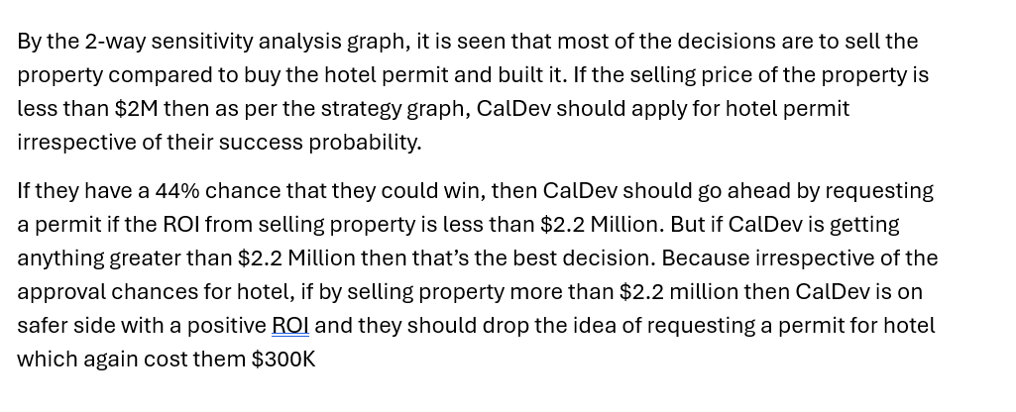

Strategy Region Chart Data
Sell the property |  | Request Hotel Permit
Price Under Strong economy growth (C4) | Building Hotel (B16) | Price Under Strong economy growth (C4) | Building Hotel (B16)
2.2 | 0.1 | 1 | 0.1
2.2 | 0.185 | 1 | 0.185
2.2 | 0.27 | 1 | 0.27
2.2 | 0.355 | 1 | 0.355
2.5 | 0.1 | 1 | 0.44
2.5 | 0.185 | 1 | 0.525
2.5 | 0.27 | 1 | 0.61
2.5 | 0.355 | 1 | 0.695
2.5 | 0.44 | 1 | 0.78
2.5 | 0.525 | 1 | 0.865
2.5 | 0.61 | 1 | 0.95
2.5 | 0.695 | 1.3 | 0.1
2.5 | 0.78 | 1.3 | 0.185
2.5 | 0.865 | 1.3 | 0.27
2.5 | 0.95 | 1.3 | 0.355
2.8 | 0.1 | 1.3 | 0.44
2.8 | 0.185 | 1.3 | 0.525
2.8 | 0.27 | 1.3 | 0.61
2.8 | 0.355 | 1.3 | 0.695
2.8 | 0.44 | 1.3 | 0.78
2.8 | 0.525 | 1.3 | 0.865
2.8 | 0.61 | 1.3 | 0.95
2.8 | 0.695 | 1.6 | 0.1
2.8 | 0.78 | 1.6 | 0.185
2.8 | 0.865 | 1.6 | 0.27
2.8 | 0.95 | 1.6 | 0.355
3.1 | 0.1 | 1.6 | 0.44
3.1 | 0.185 | 1.6 | 0.525
3.1 | 0.27 | 1.6 | 0.61
3.1 | 0.355 | 1.6 | 0.695
3.1 | 0.44 | 1.6 | 0.78
3.1 | 0.525 | 1.6 | 0.865
3.1 | 0.61 | 1.6 | 0.95
3.1 | 0.695 | 1.9 | 0.1
3.1 | 0.78 | 1.9 | 0.185
3.1 | 0.865 | 1.9 | 0.27
3.1 | 0.95 | 1.9 | 0.355
3.4 | 0.1 | 1.9 | 0.44
3.4 | 0.185 | 1.9 | 0.525
3.4 | 0.27 | 1.9 | 0.61
3.4 | 0.355 | 1.9 | 0.695
3.4 | 0.44 | 1.9 | 0.78
3.4 | 0.525 | 1.9 | 0.865
3.4 | 0.61 | 1.9 | 0.95
3.4 | 0.695 | 2.2 | 0.44
3.4 | 0.78 | 2.2 | 0.525
3.4 | 0.865 | 2.2 | 0.61
3.4 | 0.95 | 2.2 | 0.695
3.7 | 0.1 | 2.2 | 0.78
3.7 | 0.185 | 2.2 | 0.865
3.7 | 0.27 | 2.2 | 0.95
3.7 | 0.355
3.7 | 0.44
3.7 | 0.525
3.7 | 0.61
3.7 | 0.695
3.7 | 0.78
3.7 | 0.865
3.7 | 0.95
4 | 0.1
4 | 0.185
4 | 0.27
4 | 0.355
4 | 0.44
4 | 0.525
4 | 0.61
4 | 0.695
4 | 0.78
4 | 0.865
4 | 0.95

one way sensitivity
PrecisionTree Sensitivity Analysis - Strategy Region
Performed By: ABHI RAM SAI
Date: Tuesday, February 27, 2024 4:31:38 PM
Output: Decision Tree 'Cal Dev Decision' (Expected Value of Entire Model)
Input: Economic growth (B11)
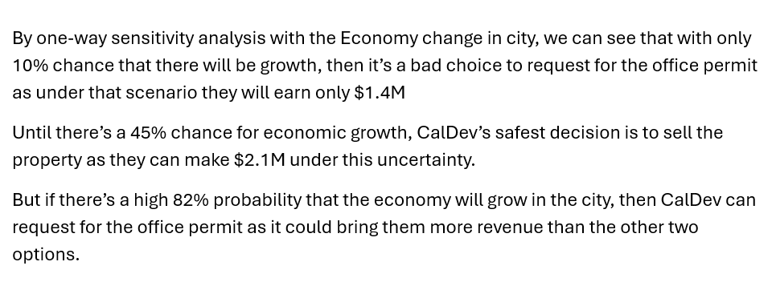
Strategy Region of Decision Tree 'Cal Dev Decision' Expected Value of Node 'Decision' (I19) With Variation of Economic growth (B11)

Strategy Region Data
 | Input |  | Sell the property |  | Request Hotel Permit |  | Request Office Permit
 | Value | Change (%) | Value | Change (%) | Value | Change (%) | Value | Change (%)
#1 | 0.1 | -83.33% | 2.1 | -3.23% | 1.945 | -10.37% | 1.442 | -33.55%
#2 | 0.19 | -68.33% | 2.1 | -3.23% | 1.9855 | -8.50% | 1.5428 | -28.90%
#3 | 0.28 | -53.33% | 2.1 | -3.23% | 2.026 | -6.64% | 1.6436 | -24.26%
#4 | 0.37 | -38.33% | 2.1 | -3.23% | 2.0665 | -4.77% | 1.7444 | -19.61%
#5 | 0.46 | -23.33% | 2.1 | -3.23% | 2.107 | -2.90% | 1.8452 | -14.97%
#6 | 0.55 | -8.33% | 2.1 | -3.23% | 2.1475 | -1.04% | 1.946 | -10.32%
#7 | 0.64 | 6.67% | 2.1 | -3.23% | 2.188 | 0.83% | 2.0468 | -5.68%
#8 | 0.73 | 21.67% | 2.1 | -3.23% | 2.2285 | 2.70% | 2.1476 | -1.03%
#9 | 0.82 | 36.67% | 2.1 | -3.23% | 2.269 | 4.56% | 2.2484 | 3.61%
#10 | 0.91 | 51.67% | 2.1 | -3.23% | 2.3095 | 6.43% | 2.3492 | 8.26%
#11 | 1 | 66.67% | 2.1 | -3.23% | 2.3875 | 10.02% | 2.45 | 12.90%

two sensitivity
PrecisionTree Sensitivity Analysis - Strategy Region (2-Way)
Performed By: ABHI RAM SAI
Date: Tuesday, February 27, 2024 4:50:10 PM
Node: 'Decision' (I19)
Input #1: Price Under Strong economy growth (C4)
Input #2: Economic growth (B11)

Strategy Region for Node 'Decision'
 | Sell the property |  | Request Hotel Permit |  | Request Office Permit
2.2 | 0.1 | 1 | 0.1 | 1 | 0.91
2.2 | 0.19 | 1 | 0.19 | 1 | 1
2.2 | 0.28 | 1 | 0.28 | 1.3 | 0.91
2.2 | 0.37 | 1 | 0.37 | 1.3 | 1
2.2 | 0.46 | 1 | 0.46 | 1.6 | 0.91
2.2 | 0.55 | 1 | 0.55 | 1.6 | 1
2.2 | 0.64 | 1 | 0.64 | 1.9 | 0.91
2.5 | 0.1 | 1 | 0.73 | 1.9 | 1
2.5 | 0.19 | 1 | 0.82 | 2.2 | 0.91
2.5 | 0.28 | 1.3 | 0.1 | 2.2 | 1
2.5 | 0.37 | 1.3 | 0.19
2.5 | 0.46 | 1.3 | 0.28
2.5 | 0.55 | 1.3 | 0.37
2.5 | 0.64 | 1.3 | 0.46
2.5 | 0.73 | 1.3 | 0.55
2.5 | 0.82 | 1.3 | 0.64
2.5 | 0.91 | 1.3 | 0.73
2.5 | 1 | 1.3 | 0.82
2.8 | 0.1 | 1.6 | 0.1
2.8 | 0.19 | 1.6 | 0.19
2.8 | 0.28 | 1.6 | 0.28
2.8 | 0.37 | 1.6 | 0.37
2.8 | 0.46 | 1.6 | 0.46
2.8 | 0.55 | 1.6 | 0.55
2.8 | 0.64 | 1.6 | 0.64
2.8 | 0.73 | 1.6 | 0.73
2.8 | 0.82 | 1.6 | 0.82
2.8 | 0.91 | 1.9 | 0.1
2.8 | 1 | 1.9 | 0.19
3.1 | 0.1 | 1.9 | 0.28
3.1 | 0.19 | 1.9 | 0.37
3.1 | 0.28 | 1.9 | 0.46
3.1 | 0.37 | 1.9 | 0.55
3.1 | 0.46 | 1.9 | 0.64
3.1 | 0.55 | 1.9 | 0.73
3.1 | 0.64 | 1.9 | 0.82
3.1 | 0.73 | 2.2 | 0.73
3.1 | 0.82 | 2.2 | 0.82
3.1 | 0.91
3.1 | 1
3.4 | 0.1
3.4 | 0.19
3.4 | 0.28
3.4 | 0.37
3.4 | 0.46
3.4 | 0.55
3.4 | 0.64
3.4 | 0.73
3.4 | 0.82
3.4 | 0.91
...

Strategy Region Chart Data
Sell the property |  | Request Hotel Permit |  | Request Office Permit
Price Under Strong economy growth (C4) | Economic growth (B11) | Price Under Strong economy growth (C4) | Economic growth (B11) | Price Under Strong economy growth (C4) | Economic growth (B11)
2.2 | 0.1 | 1 | 0.1 | 1 | 0.91
2.2 | 0.19 | 1 | 0.19 | 1 | 1
2.2 | 0.28 | 1 | 0.28 | 1.3 | 0.91
2.2 | 0.37 | 1 | 0.37 | 1.3 | 1
2.2 | 0.46 | 1 | 0.46 | 1.6 | 0.91
2.2 | 0.55 | 1 | 0.55 | 1.6 | 1
2.2 | 0.64 | 1 | 0.64 | 1.9 | 0.91
2.5 | 0.1 | 1 | 0.73 | 1.9 | 1
2.5 | 0.19 | 1 | 0.82 | 2.2 | 0.91
2.5 | 0.28 | 1.3 | 0.1 | 2.2 | 1
2.5 | 0.37 | 1.3 | 0.19
2.5 | 0.46 | 1.3 | 0.28
2.5 | 0.55 | 1.3 | 0.37
2.5 | 0.64 | 1.3 | 0.46
2.5 | 0.73 | 1.3 | 0.55
2.5 | 0.82 | 1.3 | 0.64
2.5 | 0.91 | 1.3 | 0.73
2.5 | 1 | 1.3 | 0.82
2.8 | 0.1 | 1.6 | 0.1
2.8 | 0.19 | 1.6 | 0.19
2.8 | 0.28 | 1.6 | 0.28
2.8 | 0.37 | 1.6 | 0.37
2.8 | 0.46 | 1.6 | 0.46
2.8 | 0.55 | 1.6 | 0.55
2.8 | 0.64 | 1.6 | 0.64
2.8 | 0.73 | 1.6 | 0.73
2.8 | 0.82 | 1.6 | 0.82
2.8 | 0.91 | 1.9 | 0.1
2.8 | 1 | 1.9 | 0.19
3.1 | 0.1 | 1.9 | 0.28
3.1 | 0.19 | 1.9 | 0.37
3.1 | 0.28 | 1.9 | 0.46
3.1 | 0.37 | 1.9 | 0.55
3.1 | 0.46 | 1.9 | 0.64
3.1 | 0.55 | 1.9 | 0.73
3.1 | 0.64 | 1.9 | 0.82
3.1 | 0.73 | 2.2 | 0.73
3.1 | 0.82 | 2.2 | 0.82
3.1 | 0.91
3.1 | 1
3.4 | 0.1
3.4 | 0.19
3.4 | 0.28
3.4 | 0.37
3.4 | 0.46
3.4 | 0.55
3.4 | 0.64
3.4 | 0.73
3.4 | 0.82
3.4 | 0.91
3.4 | 1
3.7 | 0.1
3.7 | 0.19
3.7 | 0.28
3.7 | 0.37
3.7 | 0.46
3.7 | 0.55
3.7 | 0.64
3.7 | 0.73
3.7 | 0.82
3.7 | 0.91
3.7 | 1
4 | 0.1
4 | 0.19
4 | 0.28
4 | 0.37
4 | 0.46
4 | 0.55
4 | 0.64
4 | 0.73
4 | 0.82
4 | 0.91
4 | 1

